GLSSR Takt Time
Takt Time
Calculator
 

Title:
Location:
Date:
Team Names:

Instructions
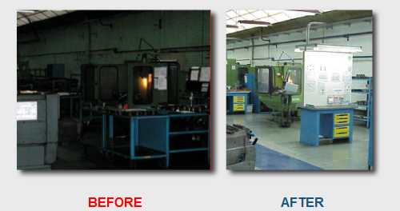
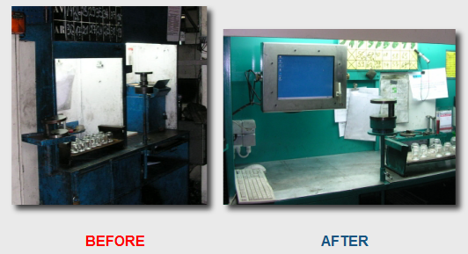
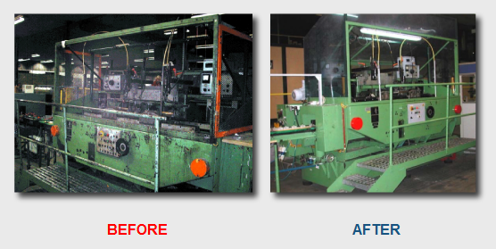
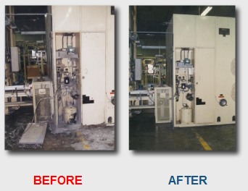
Takt Time Calculator
How can you use it in a Lean Manufacturing system?
Takt is the German word for ‘clock', ‘bar' or ‘beat' (of music), a conductor's ‘baton', or ‘metronome'.
In Lean Manufacturing, the term Takt time is used as the average customer demand time for an article. This takes into account the average productive, working time of the manufacturing process. It is measured in "seconds per unit".
There are costs and inefficiencies in producing ahead of demand, including:
- Storage and retrieval of finished goods
- Premature purchasing of raw materials
- Premature spending on wages
- The cost of missed opportunities to produce other goods
- Capital costs for excess capacity
There are costs and inefficiencies in falling behind demand, including:
- Dissatisfied customers may lead to reduced sales in the future
- Cost of overtime to catch up
- Cost overruns for express shipping
How to determine the optimal pace
Two quantities are required:
D = Average daily customer demand for the item.
W = Total available working time per day, in seconds.
T = W / D in seconds = Takt time.
There are "devils in the details", however.
The ‘day' must be defined in terms of production, not consumption or demand.
Take the example of packaged food. Let us say that the daily demand is based on a 7-day week, but the processing plant only works 5 days per week. In this case, the daily demand should be one-fifth of the weekly demand (not one-seventh, as the customers would describe it).
In the other direction: Let us say you manufacture specialty paper coffee cups for a shop serving office workers only from Monday to Friday. The coffee shop describes its daily demand based on a 5-day week. If your factory runs on a 24X7 basis, then your calculation says the daily demand on the factory is only 5/7 as much as the coffee shop describes it.
Another example: If the production process runs, for example, 2 daily shifts from Monday through Friday and one shift on Saturday, then the average daily number of shifts is (2 X 5 plus 1)/5 = 2.2 shifts/day over a "5-day" week.
The available working time is calculated as:
- The number of shifts per day,
- Times the number of seconds per shift;
then subtract:
- Scheduled breaks (rest or meal breaks, meetings or briefings)
- Average daily set-up and maintenance time
- Average daily unscheduled down time
The above calculation expresses the seconds required across all production areas (such as assembly lines).
Unscheduled down time in production
Some sources say "do not subtract unscheduled down time".
Our approach is to subtract the average unscheduled down time as it becomes known. This calculates a somewhat shorter time. This is a better predictor of the viable production schedule under the current circumstances. However, if there are no unscheduled work stoppages, then some over-production would occur; this is undesirable.
On the other hand, this approach avoids the need for remediation, such as overtime, unless the down time is even greater than average.
Perhaps the best argument for excluding unscheduled down time from the calculation is:
- Regular maintenance should prevent unscheduled equipment failure
- Unscheduled down time (whether equipment failure or staffing emergencies) will indeed cause shortfalls in production or will require remediation, such as overtime
- These negative consequences should prompt long-term corrective measures, such as scheduling regular maintenance
- Therefore there will be fewer unscheduled outages, and so the original result will become more accurate
In a sense, this choice – to include or omit unscheduled down time – depends on whether the organization will attempt and succeed in correcting every problem that causes unscheduled down time.
However, an organization that includes unscheduled down time, but also corrects the underlying problems, will find that this unscheduled down time becomes less. If so, and if the reduced down time is factored into the calculation, then the Takt time will increase.
As stated, our approach is to include average unscheduled down time as it becomes known. This leads to the most accurate calculation given the current circumstances. This helps to set the most viable production schedule.
Takt time as a vision
In practice, all operations produce with a slightly higher pace than what the takt time calculation says. If not, they would not have any opportunity to be able to fend for disturbancess
Takt time should therefore not be seen as a tool, but rather a vision. If your production pace were exactly the same as the mean customer demand, it would require perfectly stable processes and completely balanced flows. A long term goal in Lean Manufacturing

